R25Q
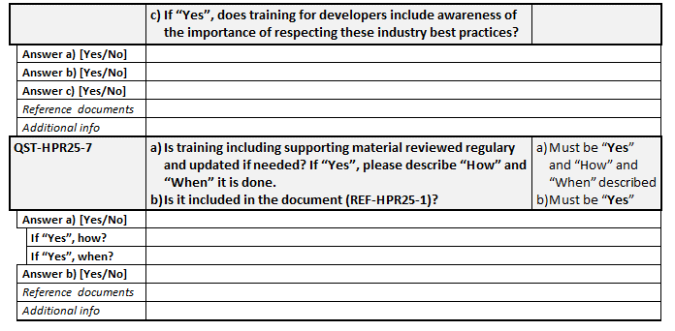
Reference # | R25
Category | Educating Staff Members
Short name | Fraud Screening Training for Staff
Requirement | The applicant ensures that all staff involved in fraud screening are adequately trained, and that the training material is regularly updated as necessary.
Requirement TSP | Not applicable

# | Documentation |  |  |  | ST | SA | TSP | SB | SAB
REF-HPR25-01 | Training policy and procedure for staff members involved in fraud screening |  |  |  | X |  |  | X
REF-HPR25-02 | Evidence of training attendance (email, sign-in sheet, certificate, …) |  |  |  | X |  |  | X
REF-HPR25-03 | Evidence of training content (Supporting material, description of the training, …) for staff members involved in fraud screening. |  |  |  | X |  |  | X

# | Questionnaire | Additional info | Acceptance Criteria "Answer" | Supporting documents | ST | SA | TSP | SB | SAB
QST-HPR25-01 | Do you provide training to staff involved in fraud screening? If "YES", describe "how" and "when" training is provided? |  | Answer must be "YES" and described. Newly hired staff and staff members moving to a role involved in fraud screening must be trained. Refresher training should at least be provided annually. | REF-HPR25-01 - Training policy or procedure related to fraud screening. REF-HPR25-02 - Evidence of training attendance. REF-HPR25-03 - Evidence of training content. | X |  |  | X
QST-HPR25-02 | Does the training provided to staff members involved in fraud screening include security awareness? If "YES", describe or provide the detailed content? | Examples: phishing, passwords, handling removable media… | Must be "YES" and content described. | REF-HPR25-03 - Evidence of training content. | X |  |  | X
QST-HPR25-03 | Does the training provided to staff members involved in fraud screening include the identity verification process? If "YES", describe or provide the detailed content? |  | Must be "YES" and content described. | REF-HPR25-03 - Evidence of training content.
QST-HPR25-04 | Does your internal staff develop fraud screening software? If "YES", please describe "how" developers are trained and sensitized to respect industry standards or best practices for secure software development. | Examples of practices: OWASP guidelines, CERT Secure Coding standards, GDPR… | IF "YES" staff must be aware and able to apply industry security and privacy standards or best practices for development. | REF-HPR25-01 - Training policy or procedure related to SW development REF-HPR25-02 - Evidence of training attendance. REF-HPR25-03 - Evidence of training content. | X |  |  | X
QST-HPR25-05 | Is training material reviewed regularly and updated if needed. If "YES", please describe "how" and "when" this is done. |  | Must be "YES" and content described. |  | X |  |  | X

